K Unit Check
Spring Unit Check

Conclusion | The unit for k is | N m rad-1

Referencing the Solution
https://link.springer.com/content/pdf/10.1007%2Fs004190050138.pdf
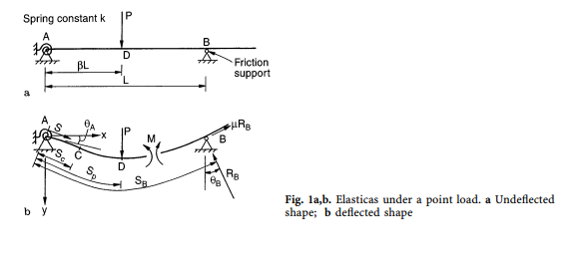

$$λ=\frac{PL^{2}}{EI}$$
$$ζ=\frac{kL}{EI}$$
Consider

Young's Modulus | 2.5 | GPa
2nd Moment of Inertia | 1.33E-08 | m4
Poisson's Ratio | 0.34
Total Model Length | 15 | m
Length L | 10 | m
Abaqus Model

From the Paper

Page 550 | Table 3
λ = 2 | ζ = 1000 | β = 0.25 | Friction Coefficient μ = 0
Source | θ at Support A | θ at Load | θ at Support B
Node | 1 | 250 | 1000

Solution | 0.000329 | 0.025106 | 0.023855
ABAQUS Rad | 0.000324 | 0.024855 | 0.025050
ABAQUS Deg | 0.01589 | 0.030338 | 0.032832

Error w/ Rad | -2% | -1% | 5%
Error w/ Deg | 4729% | 21% | 38%

Page 550 | Table 4
λ = 2 | ζ = 1000 | β = 0.50 | Friction Coefficient μ = 0
Source | θ at Support A | θ at Load | θ at Support B
Node | 1 | 500 | 1000

Solution | 0.000377 | 0.015604 | 0.063476
ABAQUS Rad | 0.000370 | 0.015554 | 0.063954
ABAQUS Deg | 0.01814 | 0.013413 | 0.072840

Error w/ Rad | -2% | 0% | 1%
Error w/ Deg | 4712% | -14% | 15%

Page 550 | Table 4
λ = 6 | ζ = 1000 | β = 0.25 | Friction Coefficient μ = 0
Source | θ at Support A | θ at Load | θ at Support B
Node | 1 | 250 | 1000

Solution | 0.000987 | 0.075443 | 0.071851
ABAQUS Rad | 0.000978 | 0.076142 | 0.072159
ABAQUS Deg | 0.04785 | 0.092479 | 0.095045

Error w/ Rad | -1% | 1% | 0%
Error w/ Deg | 4748% | 23% | 32%

2D Beam
2D Beam
Force vs Horizontal Displacement (@End)

Properties
Spring Constant | 1.20E-05 | N m deg-1
Length | 0.02 | m
Width | 0.02 | m
Thickness | 5.00E-05 | m
Young's Modulus | 2.5 | GPa
Poisson's Ratio | 0.34
Initial Angle | 44.5 | deg

Force / N | Horizontal Displacement / m | Angular Displacement / rad | Image No.
0 | 0 | 0 | 0
1.00E-05 | 1.95E-04 | 1.19E-02 | 1
5.00E-05 | 9.76E-04 | 5.93E-02 | 2
1.00E-04 | 1.95E-03 | 1.19E-01 | 3
5.00E-04 | 9.76E-03 | 5.93E-01 | 4
1.00E-03 | 1.95E-02 | 1.18583 | 5

2D Beam | Force vs. Horizontal Displacement
2D Beam | Force vs. Angular Displacement

3D Shell Membrane
Force vs Horizontal Displacement (@End)

Properties
Spring Constant | 1.20E-03 | N cm deg-1
Initial Angle | 89.5 | deg |  |  |  |  | Analysis

Force / N cm-1 | Horizontal Displacement / cm | Angular Displacement (Left) / rad | Angular Displacement (Right) / rad | Image No. | Force / N | Horizontal Displacement / m | 2D Displacement x2 | % Difference | Total 3D UR Magnitude | 2D UR Magnitude x2 | % Difference
0 | 0 | 0 | 0 | A | 0 | 0 | 0 | 0 | 0 | 0 | 0
5.00E-06 | 3.46E-02 | -1.07E-02 | 1.08E-02 | B | 1.00E-05 | 3.46E-04 | 3.90E-04 | 13% | 2.15E-02 | 2.37E-02 | -9%
2.50E-05 | 1.73E-01 | -5.34E-02 | 5.42E-02 | C | 5.00E-05 | 1.73E-03 | 1.95E-03 | 13% | 1.08E-01 | 1.19E-01 | -9%
5.00E-05 | 3.46E-01 | -1.07E-01 | 1.08E-01 | D | 1.00E-04 | 3.46E-03 | 3.90E-03 | 13% | 2.15E-01 | 2.37E-01 | -9%
2.50E-04 | 1.72928 | -5.34E-01 | 5.42E-01 | E | 5.00E-04 | 1.73E-02 | 1.95E-02 | 13% | 1.08E+00 | 1.19E+00 | -9%
5.00E-04 | 3.45856 | -1.06858 | 1.08458 | F | 1.00E-03 | 3.46E-02 | 3.90E-02 | 13% | 2.15E+00 | 2.37E+00 | -9%

3D Membrane | Force vs. Horizontal Displacement
3D Membrane | Force vs. Angular Displacement (1 side)

Images
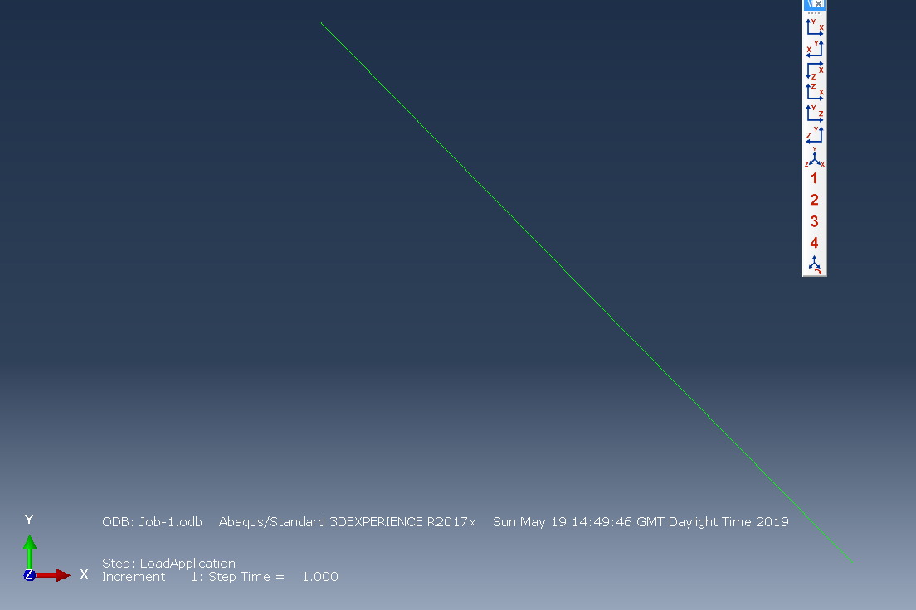
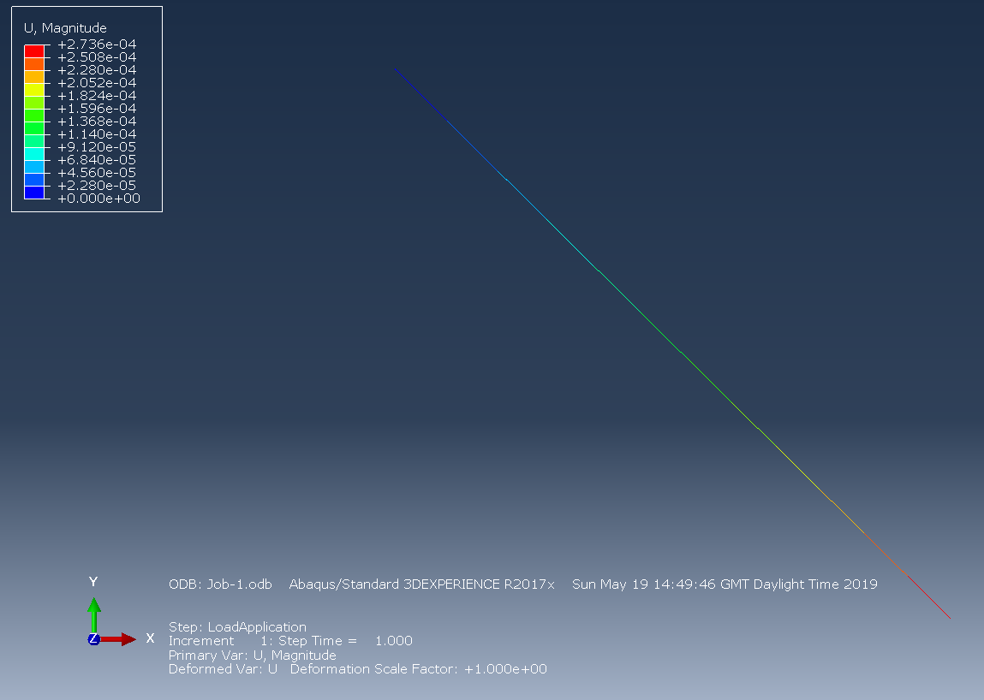


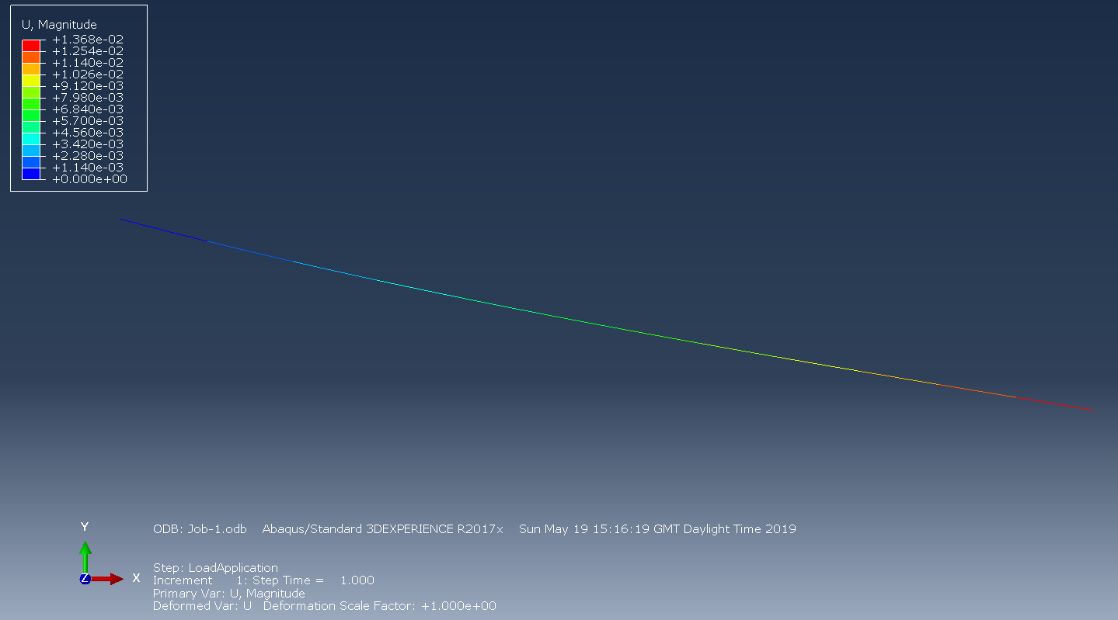
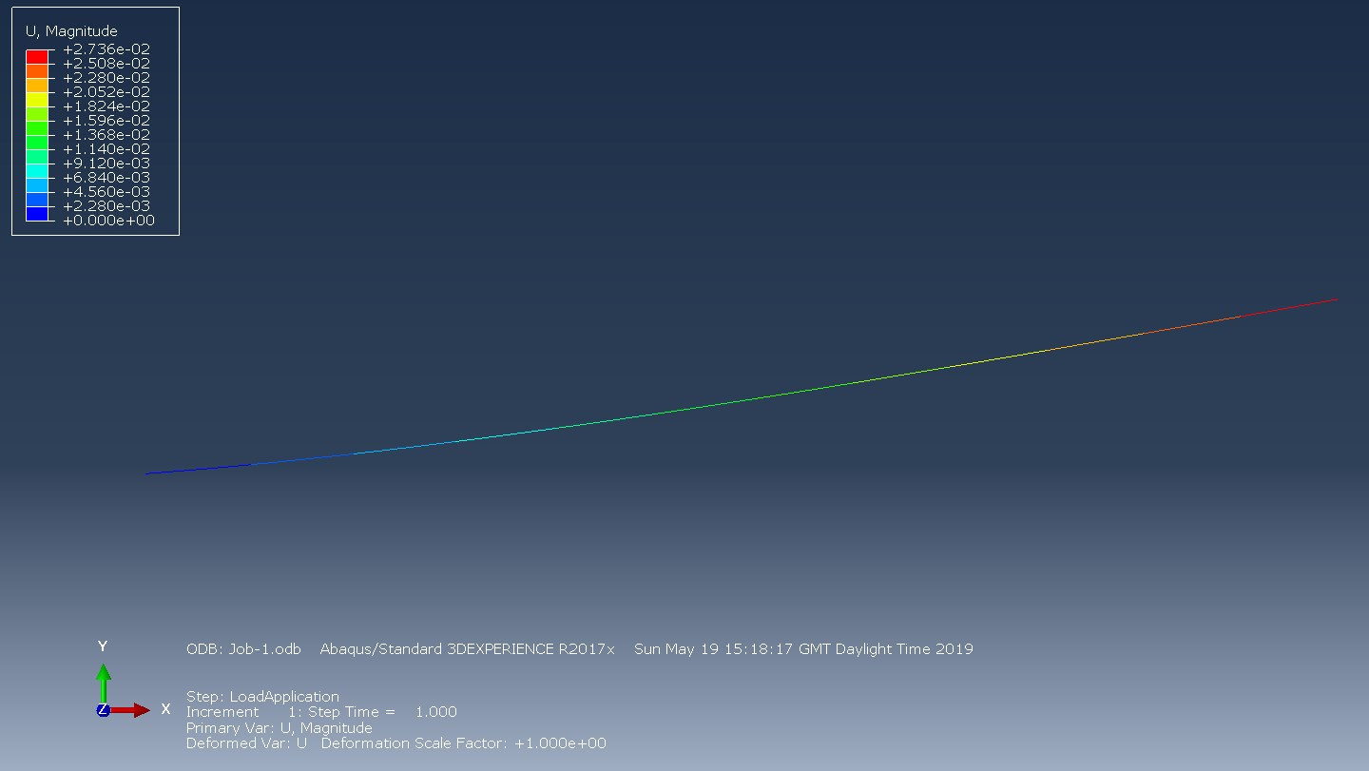

Image 0 | Image 1 |  | Image 2 |  | Image 3 |  | Image 4 | Image 5

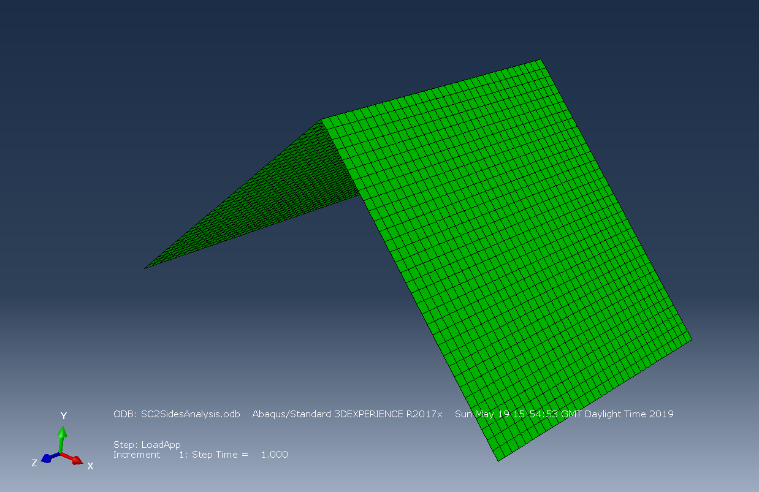
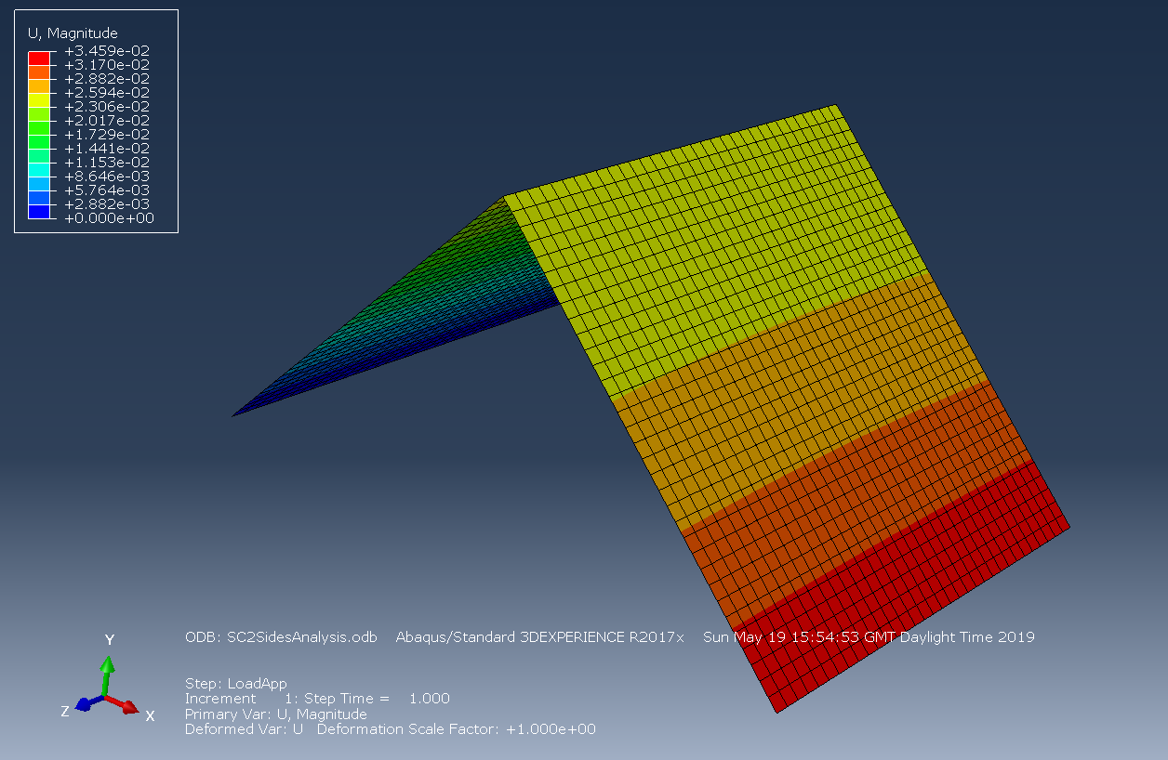
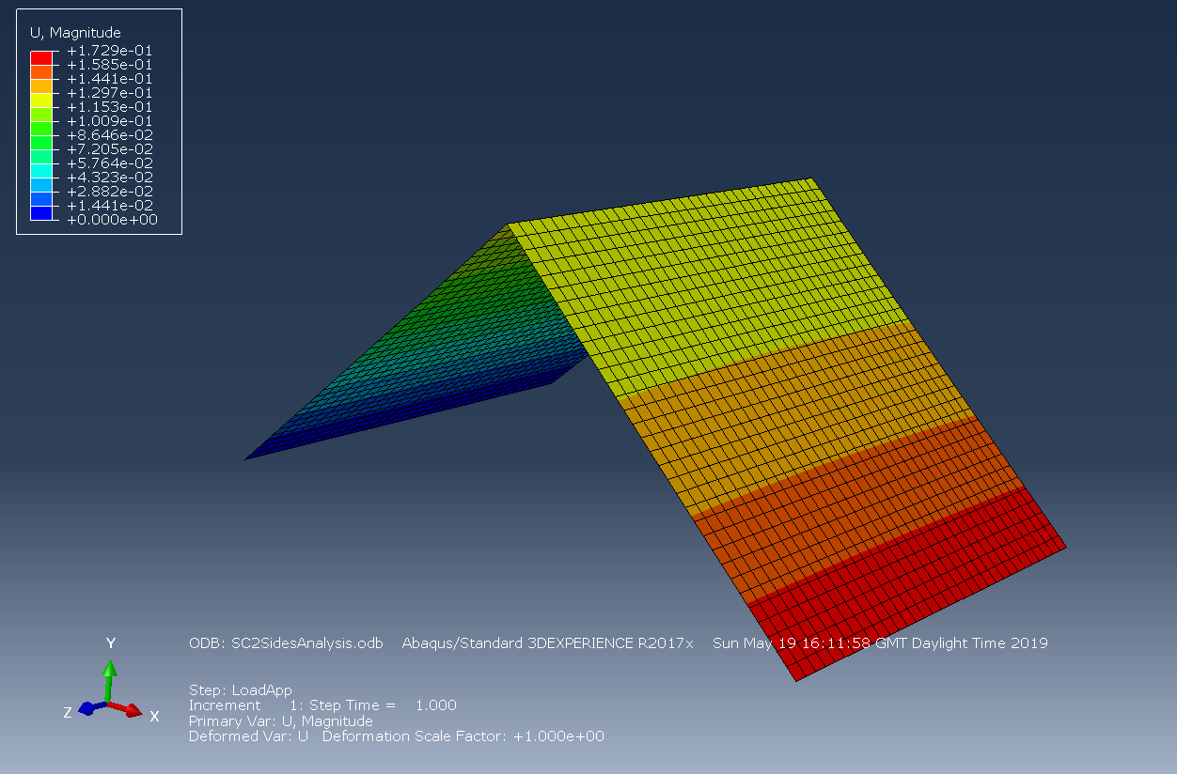
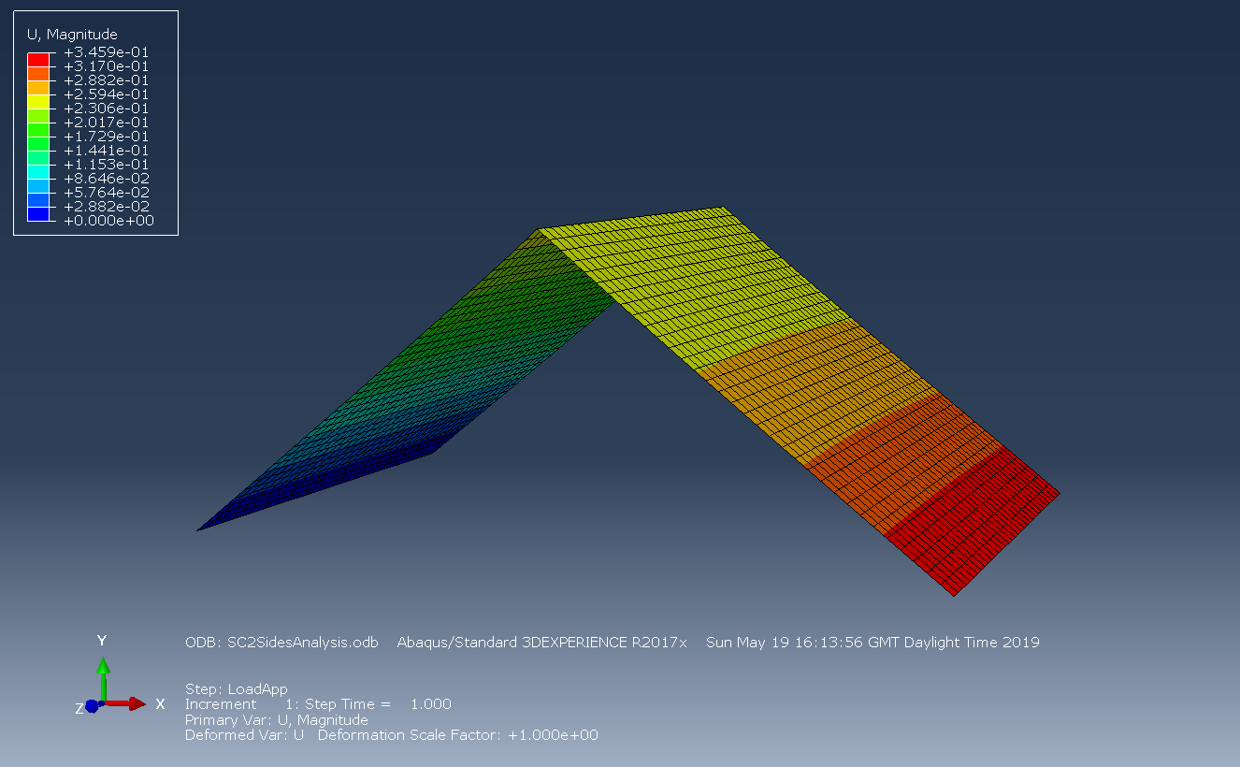
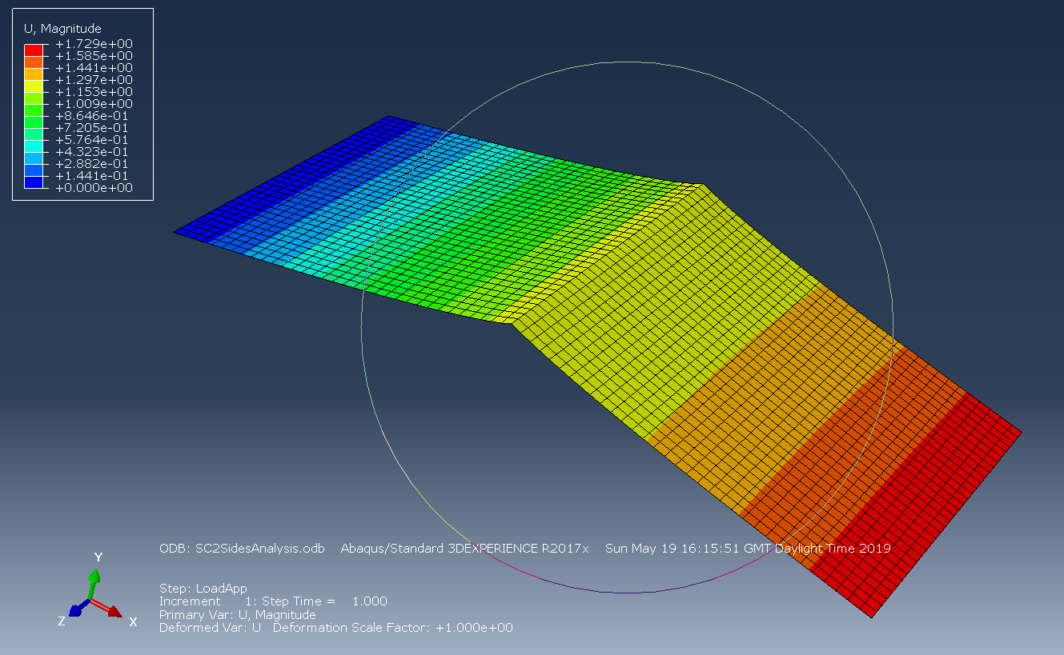
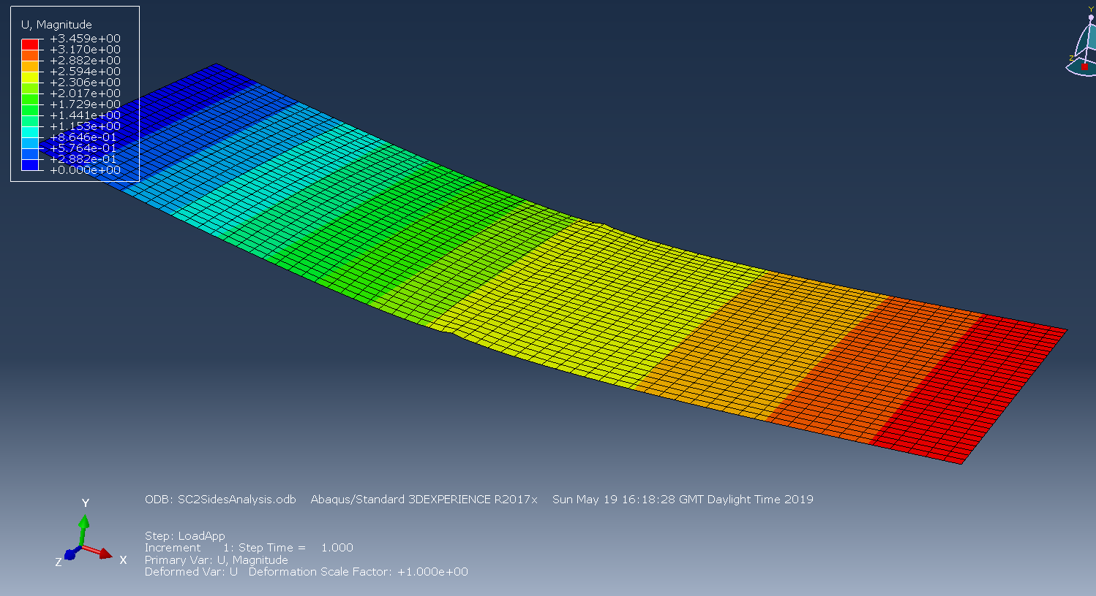

Image A |  | Image B |  | Image C |  | Image D | Image E | Image F

